Sheet1
PIN | PORT | FUNCTION | J1 | PIN | PORT | FUNCTION
J1-15 | PTG7 | D7 |  | J1-16 | PTA4 | GPIO
J1-13 | PTG6 | D6 |  | J1-14 | PTA1 | GPIO
J1-11 | PTG5 | D5 |  | J1-12 | PTD7 | GPIO
J1-09 | PTG4 | D4 |  | J1-10 | PTD6 | GPIO
J1-07 | PTH1 | D3 |  | J1-08 | PTD5 | GPIO
J1-05 | PTF0 | D2 |  | J1-06 | PTD4 | GPIO
J1-03 | PTB1 | D1 |  | J1-04 | PTD3 | GPIO
J1-01 | PTB0 | D0 |  | J1-02 | PTD2 | GPIO

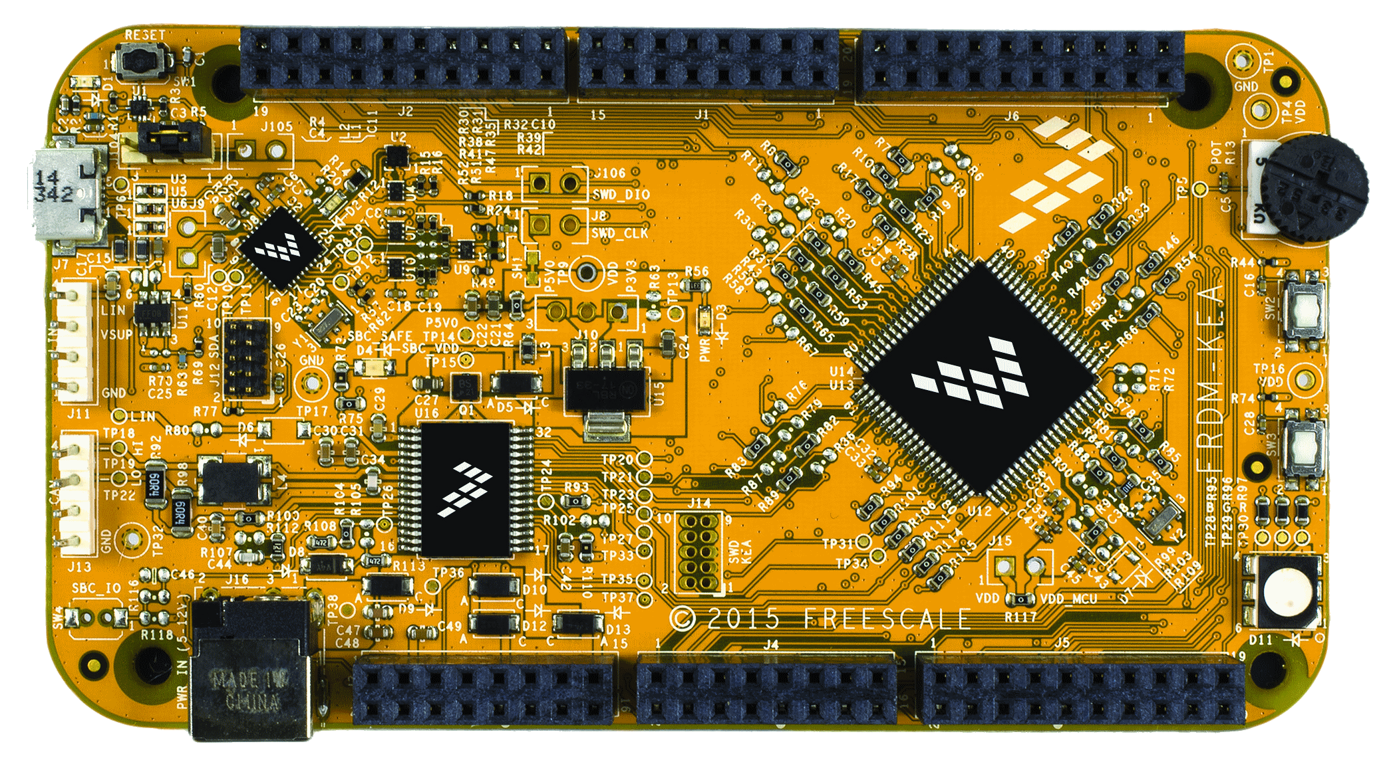
J2
J1
J6
J3
J4
J5
PIN | PORT | FUNCTION | J2 | PIN | PORT | FUNCTION
J2-19 | PTA3 | D15 |  | J2-20 | PTG3 | GPIO
J2-17 | PTA2 | D14 |  | J2-18 | PTG2 | GPIO
J2-15 |  | A REF |  | J2-16 | PTG1 | GPIO
J2-13 |  | GND |  | J2-14 | PTG0 | GPIO
J2-11 | PTB2 | D13 |  | J2-12 | PTF0 | GPIO
J2-09 | PTB4 | D12 |  | J2-10 | PTH1 | GPIO
J2-07 | PTB3 | D11 |  | J2-08 | PTC2 | GPIO
J2-05 | PTB5 | D10 |  | J2-06 | PTC3 | GPIO
J2-03 | PTH2 | D9 |  | J2-04 | PTB4 | GPIO
J2-01 | PTC5 | D8 |  | J2-02 | PTB5 | GPIO

PIN | PORT | FUNCTION | J3 | PIN | PORT | FUNCTION
J3-02 | PTB6* | GPIO |  | J3-01 |  | VIN | *Shunt resistor is not connected
J3-04 | PTB7* | GPIO |  | J3-03 |  | IOREF
J3-06 | PTE0 | GPIO |  | J3-05 | PTA5 | RESET_TGTMCU
J3-08 | PTE1 | GPIO |  | J3-07 |  | P3V3
J3-10 | PTE2 | GPIO |  | J3-09 |  | 5V
J3-12 | PTE3 | GPIO |  | J3-11 |  | GND
J3-14 | PTE4 | GPIO |  | J3-13 |  | GND
J3-16 | PTE5 | GPIO |  | J3-15 |  | VIN

PIN | PORT | FUNCTION | J4 | PIN | PORT | FUNCTION
J4-02 | PTF1 | GPIO |  | J4-01 | PTC0 | ADC0
J4-04 | PTC4 | GPIO |  | J4-03 | PTC1 | ADC1
J4-06 | PTC5 | GPIO |  | J4-05 | PTF4 | ADC2
J4-08 | PTE6 | GPIO |  | J4-07 | PTF5 | ADC3
J4-10 | PTH0 | GPIO |  | J4-09 | PTF6 | ADC4
J4-12 | PTE7 | GPIO |  | J4-11 | PTF7 | ADC5
J4-14 | PTH6 | GPIO |  | J4-13 | PTA0 | ADC6
J4-16 | PTH7 | GPIO |  | J4-15 | PTA1 | ADC7

PIN | PORT | FUNCTION | J5 | PIN | PORT | FUNCTION
J5-02 | PTF2 | GPIO |  | J5-01 | PTC2 | ADC8
J5-04 | PTF3 | GPIO |  | J5-03 | PTC3 | ADC9
J5-06 | PTI2 | GPIO |  | J5-05 | PTB3 | ADC10
J5-08 | PTI3 | GPIO |  | J5-07 | PTA6 | ADC11
J5-10 |  | VDD |  | J5-09 | PTA7 | ADC12
J5-12 |  | GND |  | J5-11 | PTB0 | ADC13
J5-14 | PTI4 | GPIO |  | J5-13 | PTB1 | ADC14
J5-16 | PTI5 | GPIO |  | J5-15 | PTB2 | ADC15
J5-18 | PTI6 | GPIO |  | J5-17 |  | NC
J5-20 | PTH5 | GPIO |  | J5-19 |  | SBC_SAFE

PIN | PORT | FUNCTION | J6 | PIN | PORT | FUNCTION
J6-19 | PTC7 | D14 |  | J6-20 |  | NC
J6-17 | PTC6 | D15 |  | J6-18 |  | NC
J6-15 | PTI1 | D16 |  | J6-16 |  | NC
J6-13 | PTI0 | D17 |  | J6-14 |  | NC
J6-11 | PTF3 | D18 |  | J6-12 |  | GND
J6-09 | PTF2 | D19 |  | J6-10 |  | VDD
J6-07 | PTH3 | D20 |  | J6-08 | PTH2 | GPIO
J6-05 | PTH4 | D21 |  | J6-06 | PTE7 | GPIO
J6-03 | PTD1 | GPIO |  | J6-04 | PTD3 | GPIO
J6-01 | PTD0 | GPIO |  | J6-02 | PTD2 | GPIO

